Distribution Analysis
Distribution of Minutes
 | Total
1-150 | 178
151-300 | 63
301-450 | 50
451-600 | 58
601-750 | 56
751-900 | 47
901-1050 | 56
1051-1200 | 49
1201-1350 | 43
1351-1500 | 45
1501-1650 | 42
1651-1800 | 57
1801-1950 | 48
1951-2100 | 29
2101-2250 | 44
2251-2400 | 27
2401-2550 | 28
2551-2700 | 36
2701-2850 | 40
2851-3000 | 27
3001-3150 | 29
3151-3300 | 14
3301-3450 | 8
% of Squad Minutes Played
 | Total
0-10 | 255
10-20 | 128
20-30 | 115
30-40 | 104
40-50 | 104
50-60 | 104
60-70 | 81
70-80 | 71
80-90 | 75
90-100 | 37
Distribution of Team Points Per Match
 | Total
0-0.5 | 102
0.5-1 | 164
1-1.5 | 447
1.5-2 | 223
2-2.5 | 111
2.5-3 | 27

Like the distribution for minutes, this distribution is skewed right and does not have valid assumptions for normal probability.
The distribution is unimodal with a slightly right skew. Due to the rough bell shape curve, it is normal. It can be valid for normal probability for an estimation, but won't be approximate due to the skew.
The distribution for minutes is rightly skewed, so the assumptions for normal probability are not valid. This is because the mean does not equal the median.
Mean | 1270.739292 | Mean | 37.15707635 | Mean | 1.2886126629
Median | 1125.5 | Median | 32.95 | Median | 1.31
Standard Deviation | 972.9157918 | Standard Deviation | 28.448845071 | Standard Deviation | 0.61581989299
Skewness | Right | Skewness | Right | Skewness | Slightly right
Kurtosis | -1.04005743, negative excess | Kurtosis | -1.039921271, Positive excess | Kurtosis | 0.286322131, Positive excess
Distribution of plus/minus per90
 | Total
-30--25 | 2
-10--5 | 10
-5-0 | 522
0-5 | 526
5-10 | 11
10-15 | 2
85-90 | 1
Distribution of Yellow Cards per Player
 | Total
0 | 296
1 | 179
2 | 159
3 | 119
4 | 86
5 | 86
6 | 47
7 | 33
8 | 28
9 | 18
10 | 14
11 | 5
12 | 4
Distribution of Red Cards per Player
 | Total
0 | 0
1 | 100
2 | 8

The distribution is rightly skewed and unimodal, so it is not normal. This distributuion is more to a Poisson distribution. The assumptions for normal probability are not valid because the histogram is bounded at 0.
The distribution is not approximately normal, but rather gathers almost all at one value. Due to the sparse values, normal probability is not valid.
The distribution is not approximately normal or bimodal because of the excessive positive kurtosis. Normal probability is not valid because all of the data sits mainly in 2 bins, then drops off sharply.
Mean | -0.074934823091 | Mean | 2.5791433892 | Mean | 0.10055865922
Median | 0 | Median | 2 | Median | 0
Standard Deviation | 3.3337258857 | Standard Deviation | 2.6275075117 | Standard Deviation | 0.31302817777
Skewness | Symmetric | Skewness | Right | Skewness | Right
Kurtosis | 506.5290193, strong positive excess | Kurtosis | 0.736581925, Positive excess | Kurtosis | 8.471871733, no spread due to small range

Distribution of Goals + Assists per 90
 | Total
0-0.2 | 670
0.2-0.4 | 227
0.4-0.6 | 111
0.6-0.8 | 44
0.8-1 | 15
1-1.2 | 1
1.2-1.4 | 1
2-2.2 | 1
5.2-5.4 | 1
5.6-5.8 | 1
6.4-6.6 | 1
8.8-9 | 1

The histogram showed that the distribution is unimodal and not approximately normal due to the right skew. This is not valid for normal probability because of the few extreme outliers.
Mean | 0.21255121043
Median | 0.12
Standard Deviation | 0.4570979099
Skewness | Right
Kurtosis | 190.289661, strong positive excess

Probability Scenarios
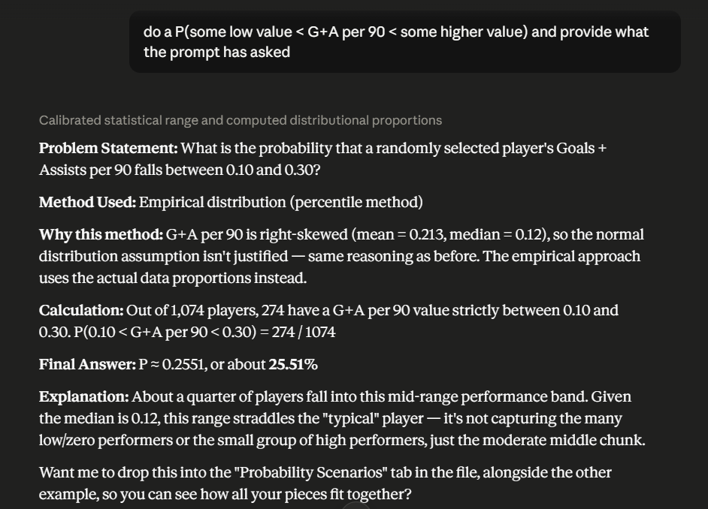
Problem 1 - Variable of Focus = G/A per 90 minutes
Problem 2 - Variable of Focus = G/A per 90 minutes
Problem 3 - Variable of Focus = G/A per 90 minutes
AI Usage

Problem Statement: What is the probability of a randomly selected player having above a 0.50 'G/A per 90'?
Method Used: We used the empirical rule because based on our historgrams under 'Distribution Analysis' the distribution of 'G/A per 90 minutes' is not normally distributed and has a right skew.
Why this method: As mentioned, 'G/A per 90' is right-skewed (mean = 0.213, median = 0.12), so normal distribution assumptions are not justified.
Calculation (shown below) : Count of g/a >.50 = 112/1074 or by total number of rows excluding header name.
Final Answer: Pr(G/A per 90 >.50) = 10.43%
Explanation: 10.43% of players contributed to over 0.50 Goals + Assists per 90 minutes (a full game). Players who fall under this percentage is in the upper quartile of skill in the two leagues.
Problem Statement: What is the probability that a randomly selected players' 'G/A per 90' is below 0.10, and their 'Minutes' are above 1200?
Method Used: We used the empirical rule because based on our historgrams under 'Distribution Analysis' the distribution of 'G/A per 90' minutes is not normally distributed and has a right skew. As well, minutes also has a right skew.
Why this method: As mentioned, 'G/A per 90' is right-skewed (mean = 0.213, median = 0.12), so normal distribution assumptions are not justified. Similar to 'Minutes' where the mean is 1270.40 and the median is 1125.5.
Calculation: Count of players with <.10 G/A per 90 and Minutes > 1200 = 175 out of 1074 players.
Final Answer: Pr(G/A <.10 per 90 and Minutes >1200) = 16.29%
Explanation: 16.29% of players have below 0.10 Goals + Assists per 90 minutes (a full game), while also playing over 1200 minutes. These players are seen to get a lot of minutes, but perform poorly offensively.
Problem Statement: What is the probability that a randomly selected players' 'G/A per 90' falls between 0.10 and 0.30?
Method Used: We used the empirical rule because based on our historgrams under 'Distribution Analysis' the distribution of G/A per 90 minutes is not normally distributed and has a right skew.
Why this method: As mentioned, 'G/A per 90' is right-skewed (mean = 0.213, median = 0.12), so normal distribution assumptions are not justified.
Calculation: Count of players with 0.10 < G/A per 90 < 0.30 = 274 out of 1,074 total players.
Final Answer: Pr(0.10 < G/A per 90 < 0.30) = 25.5%
Explanation: Around a quarter of the players in the English and Italian league fall into this moderate performance band, which sits just above the mean of 21.3%.

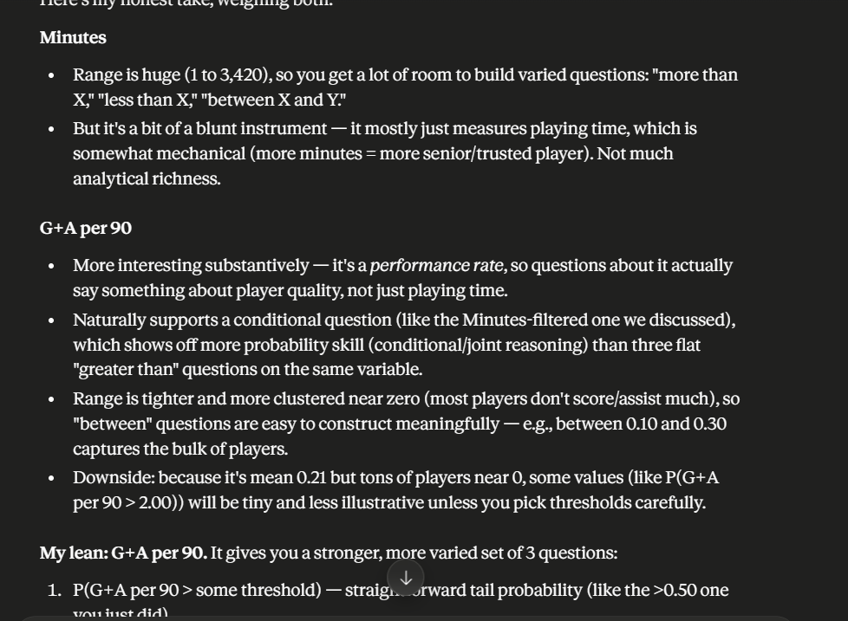
Pr(G+A per 90 > 0.50)= | 0.104283 | Count - G+A per 90 > 0.50 = | 112 |  |  |  |  | Pr(G/A Per 90 - 0.10 < X - 0.30) = | 0.25512104283 | Count = | 274
 |  | Total = | 1074 |  |  |  |  |  |  | Total = | 1074
Pr(G/A per 90 > 0.50) = | 0.73527835181 | Pr = | 0.104283 | Pr(G/A Per 90 is X < 0.10) = | 0.45623836127 | Count = | 490 | Pr(G/A Per 90 - 0.10 < X - 0.30) = | 0.1731077228 | Pr = | 0.25512104283
**using norm.dist |  |  |  | Pr(Minutes X > 1200) = | 0.48137802607 | Count = | 517 | **using norm.dist

 |  |  |  | Pr(G/A Per 90 is <0.10 and Minutes > 1200) = | 0.16294227188 | Count = | 175
 |  |  |  |  |  | Total = | 1074
 |  |  |  | Pr(G/A Per 90 is X < 0.10) = | 0.21304820076 | Pr = | 0.16294227188
 |  |  |  | **using norm.dist

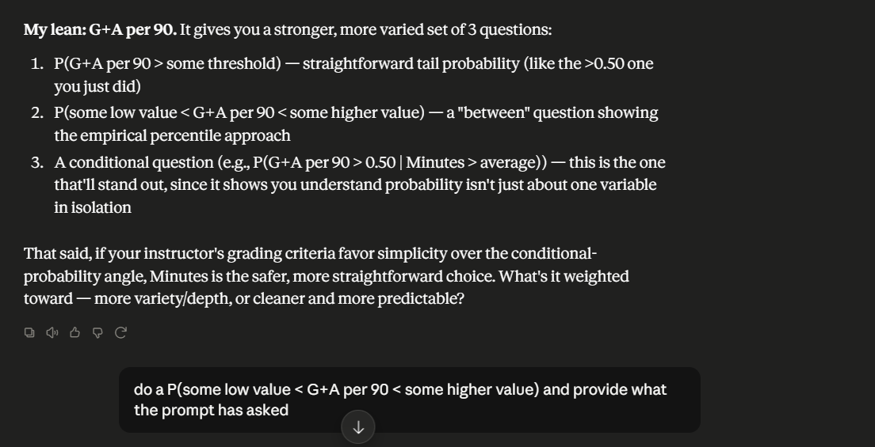

The use of AI was used to help be the deciding factor of what variable we wanted to use between G/A per 90 or minutes. Ultimately decided G/A per 90 given it was a more interesting variable to study. Furthermore, you'll see that it generated the format for Problem Statement, Method used, Calculation, Final, Answer, and explanation. So, we went forward with that same format style as it made everything clear and consise. Lastly, the biggest thing that the use of ai helped us with was the formating so if shown to an audience data wasn't placed everywhere and could be understood by the general public while also helping with all of what you see in Probelm 2 such as the calculation and problem set up.

Probability Commentary
Our assumptions regarding “G/A per 90 minutes” did withstand. Although it is difficult to tell from the three probability problems we created, one fascinating aspect we can mention is that, with the distribution being skewed and only 10.43% of players being above that 0.50 threshold, this means that the right skew is very thin and narrow, with the bulk of players being closer to 0. We can also see this is the case when we look at our histogram underneath “Distribution Analysis.” It was fascinating to see that almost none of our continuous variables resulted in a normal distribution, with “Distribution of Plus/Minus per 90” and “Distribution of Red Cards” gathering almost all of the values around a certain value.
The probability problems we chose allow coaches of soccer teams to gain a tactical advantage. Firstly, looking at players in the upper echelon of the game offensively who are generating over half a goal or assist per game shows the players that teams need to watch for on defense, but also the target man for the manager’s team who he wants to run the game through, assuming this player brings creativity and the will to drive the ball toward the goal. For the second question, this can show which players are underperforming and where a replacement or substitute may need to be made. Players who are getting their fair share of minutes but not producing offensively are shown in that 16.29% and should be looked at for potential replacement. Finally, we were able to group players in a band around the mean, which can show coaches who is more along the lines of league average. All of this information can be used to deploy tactics that can, in turn, change the way the game is played.
One challenge we had was that, since none of our data was normally distributed, we were not able to use NORM.DIST or NORM.S.DIST. With this, we relied on COUNTIF and COUNTIFS to help create our probabilities. Although we did not use the normal distribution functions, we still wanted to show our knowledge of how to use them, which in turn are highlighted in red as they do not represent a proper probability for this problem.

